CFS ADDRESS
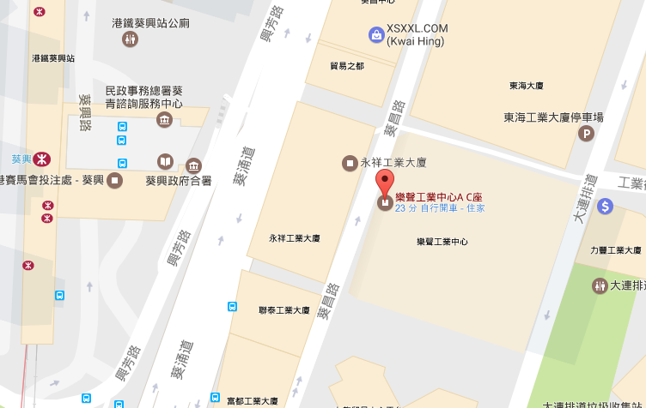
INNOGISTICS INTERNATIONAL LIMITED

Warehouse A : INNOGISTICS 太平洋倉
Unit 1605 Pacific Trade Centre, 2 Kai Hing Road, Kowloon Bay, Hong Kong
香 港 九 龍 灣 啟 興 道 2 號 太 平 洋 貿 易 中 心 16 樓 05 室
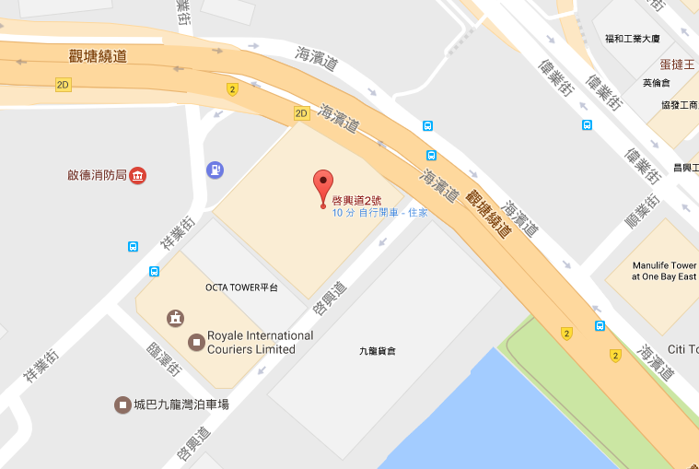

Warehouse B : Corp-Link 聯盈倉
Room D, G/F Roxy Industrial Centre, 41-49 Kwai Cheong Road, Kwai Chung, N.T.
新 界 葵 涌 葵 昌 路 41-49 號 樂 聲 工 業 中 心 地 下 D 室

